Car
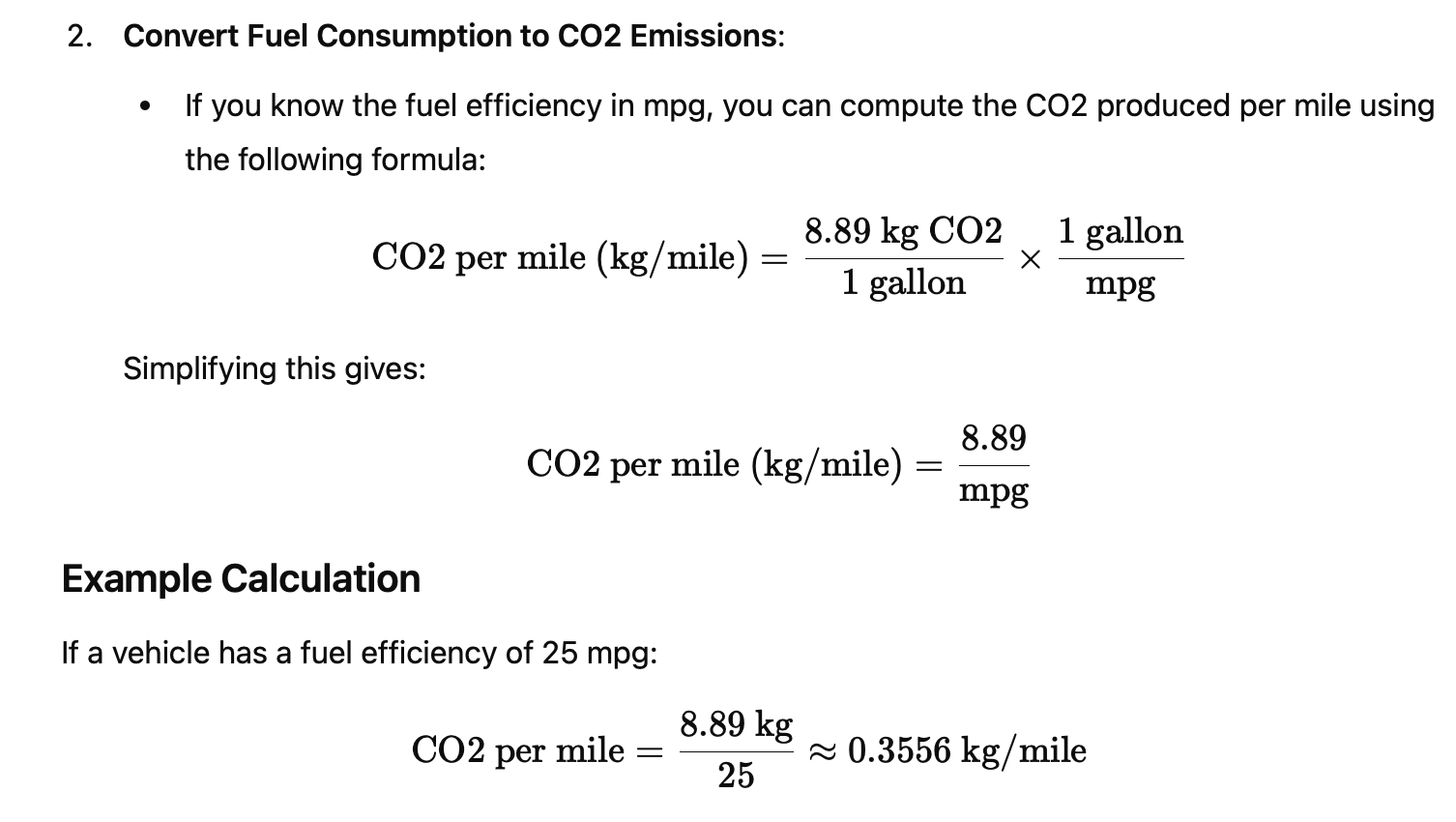
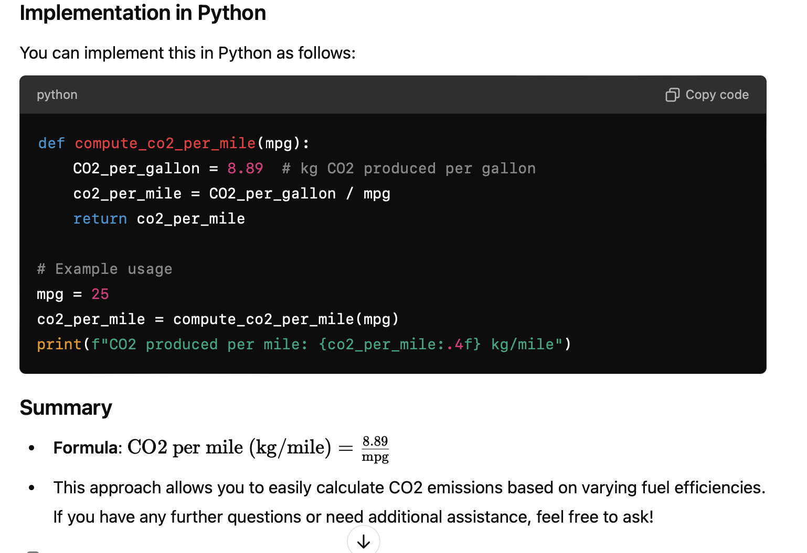
Model: Car |  |  |  |  |  |  | kg/ Year
 |  |  |  |  |  | random | actual
id | Make | Model | Year | Miles per Year | mpg | CO2 Produced | CO2 Produced | location_id
1 | Honda | Accord | 2018 | 17396 | 30 | 1188 | 5155.0 | 3
2 | Ford | Explorer | 2024 | 15196 | 22 | 991 | 6140.6 | 5
3 | Honda | Accord | 2016 | 15653 | 30 | 1461 | 4638.5 | 1
4 | Chevrolet | Malibu | 2018 | 18036 | 29 | 762 | 5529.0 | 1
5 | Ford | Mustang | 2016 | 19237 | 25 | 698 | 6840.7 | 1
6 | Chevrolet | Silverado | 2024 | 9178 | 21 | 1464 | 3885.4 | 4
7 | Honda | Civic | 2015 | 10944 | 33 | 1708 | 2948.2 | 5
8 | Honda | Accord | 2023 | 13005 | 30 | 681 | 3853.8 | 3
9 | Chevrolet | Malibu | 2005 | 9245 | 29 | 1609 | 2834.1 | 3
10 | Volkswagen | Tiguan | 2007 | 15376 | 24 | 1042 | 5695.5 | 1

Min |  |  |  | 9178 | 21 | 681 | 2834.1
Mean |  |  |  | 14326.6 | 27.3 | 1160.4 | 4752.1
Max |  |  |  | 19237 | 33 | 1708 | 6840.7

